Sheet1
 | low |  | high
0.44227059314 | 1035707660 | 0.14789035667 | 1053934856.6
0.61452924721 | 4921071173.8 | 0.65402269473 | 58117476202
6.2486476645 | 45538075896 | 3.9328191249 | 6.0761687386E+11
15.988404052 | 1.2381138591E+11 | 10.739416771 | 3.8260965792E+12 | DATA DIGITIZED FROM THE FOLLOWING PLOT
31.620526789 | 3.1981064556E+11 | 25.932349965 | 11773135400259
48.424568566 | 5.4278412917E+11 | 42.001141389 | 2.1806164615E+13
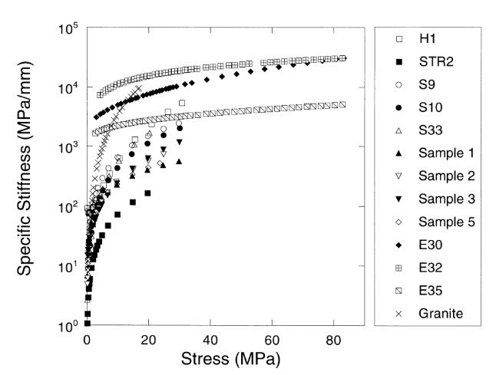
68.910183918 | 8.3001119119E+11 | 58.21110088 | 2.7477642734E+13
 |  | 73.53679928 | 3.4016610778E+13
 |  | 84.586281629 | 3.3507097477E+13

